JUnit Testing
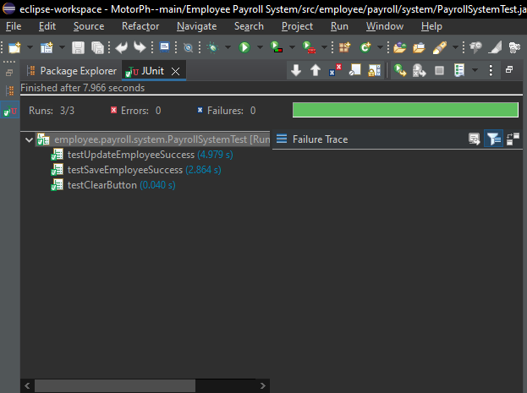
Check Login Functionality | 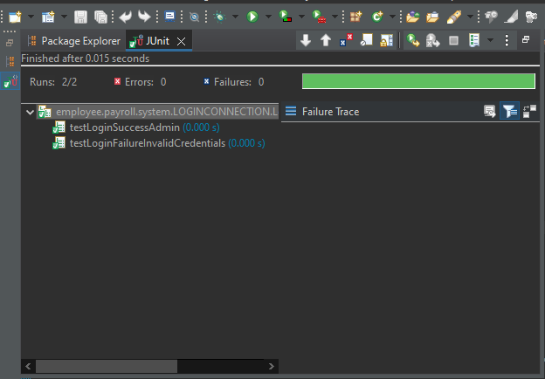 1
 | 2
 | 3
Employee self-service portal | 4
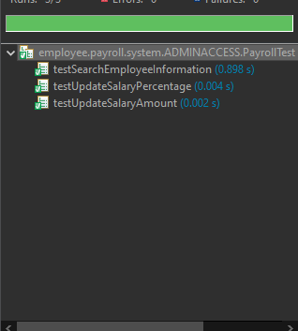
 | 5
Verify Payroll Processing | 6
 | 7
Generate Payslip Functionality | 8 | 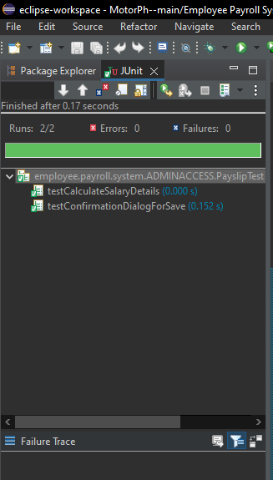
HR access to to add, delete, and modify employee information | 9 | 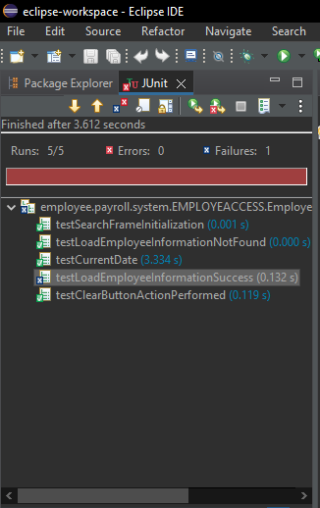

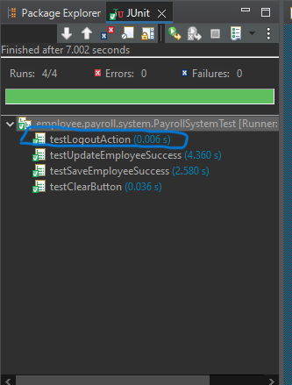
Exit Application | 10

